1. Title Page
Instacart Grocery Basket Analysis

Project Name: Instacart Grocery Basket Sales Analysis
Date: May-2025
Analyst Name: Tarishi Sharma

Contents:
Data citations
Population Flow
Consistency checks
Wrangling steps
Column derivations
Visualizations
Recommendations

Data citations
Instacart Grocery Basket Analysis

Open Source Data:
"The Instacart Online Grocery Shopping Dataset", accessed from
www.instacart.com/datasets/grocery-shopping-2017 via Kaggle on May 19, 2025.
The "prices" column and the customers.csv data were fabricated by CareerFoundry for the purpose of this project.

2. Population Flow
Title page

Population flow

Exclusion flag
Condition: max_order < 5
Obervations to be removed: 1440295
Final total count of order_products_all:

Orders_products_all
Orders_products_combined
Orders_products_merged

Total: 32404859 rows* 14 columns

Total: 32434489 rows* 11 columns
Total: 30629741 rows* 32 columns

3. Consistency checks
 |  |  |  | Title page
Consistency checks

Dataset | Missing values | Missing values treatment | Duplicates
orders
products | 16 values in product_name | removed the rows with missing values | 5
orders_products_prior | none | none | none
customers | 11259 values in first_name | removed the rows with missing values | 0

4. Wrangling steps
 |  |  |  |  | Title page
Wrangling steps

Dataset | Columns dropped | Columns renamed | Columns' type changed | Comment/Reason

Orders | eval_set |  |  | not needed for the analysis
Orders |  | orders_dow' renamed to 'orders_day_of_week' |  | to make it more coherent
Orders |  | order_no' to 'no_of_orders' |  | to make it more coherent
Orders |  |  | order_id and user_id columns changed to 'str' | since they are not numeric values
Customers | first_name |  |  | PII data
 | second_name |  |  | PII data
Customers dataframe | date_joined |  |  | not needed for the analysis
 |  | Surnam to last name |  | For consistency
 |  | AGE to Age |  | For consistency
 |  | STATE to State |  | For consistency

5. Column derivations
 |  |  |  | Title page

Column derivations and aggregations

In this tab you should add tables below that the frequences of flags/label variables that you produced after deriving them. NB: don't do this for continuous variables, only for flags.
Dataset | New column | Column/s it was derived from | Conditions

ords_prods_merge | Busiest days | orders_day_of_week | 3 categories were created if values were within certain range: busiest days, least busy and regularly busy
ords_prods_merge | Busiest _period_of_day | order_hour_of_day | 3 categories: most orders, Average orders, Fewest orders
ords_prods_merge | Price_range | prices | 3 categories of products: High-range product, Mid-range product, Low range product
ords_prods_merge | max_order | no_of_orders & user_id | maximum orders for a user id
ords_prods_merge | loyalty_flag | max_order | 3 categories of users with max orders <10=New customer;>=10 & <40= Regular customer; >40= Loyal customer
ords_prods_merge | mean_price | prices
ords_prods_merge | spending_flag | prices | 2 categories of spender: mean_price>10=High spender; mean_price<10= Low spender
ords_prods_merge | median_orders | orders_day_of_week, user_id
ords_prods_merge | order_frequency flag | median_orders | 3 categories: median_orders>20= Non frequent customer;<20 & >10= Regular customer;>10 Frequent customers;
df_merged_final | Region | State | 4 regions were created from the State column

 | order_frequency
 | Frequent customer 21559853
 | Regular customer 7208564
 | Non-frequent customer 3636437
 | NaN 5
 | Name: count, dtype: int64
 | order_frequency
 | Frequent customer 21559854

 | spending_flag
 | Low spender 31770614
 | High spender 634245
 | Name: count, dtype: int64

 | loyalty_flag
 | Regular customer 15876776
 | Loyal customer 10284093
 | New customer 6243990

 | price_range
 | Mid-range product 673183
 | Low-range product 307024
 | High-range product 12425
 | Not enough data 7368

 | price_range_loc
 | Mid_range_product 673183
 | Low_range_product 314392
 | High_end_product 12425

 | Busiest day
 | Regularly busy 22416875
 | Busiest day 6204182
 | Least busy 3783802

 | Busiest days
 | Regularly busy 12916111
 | Busiest days 11864412
 | Least busy 7624336
 | Name: count, dtype: int64

 | Busiest_period_of_day
 | Most orders 21118071
 | Average orders 10399967
 | Fewest orders 886821
 | Name: count, dtype: int64

 | customer_profile
 | Other 19785411
 | Family Shopper 1302215
 | Busy Professional 916966
 | Young Parent 816334
 | Senior 243369
 | Young Single 11805
 | Name: count, dtype: int64

6. Visualizations
 |  |  |  |  |  |  |  |  |  |  | Title page

Visualisations

In this tab you should include all the visualtions from Exercises 4.9 and 4.10, alongside the questions from the project brief that they answer. Include any commentary on the relationship between different variables.

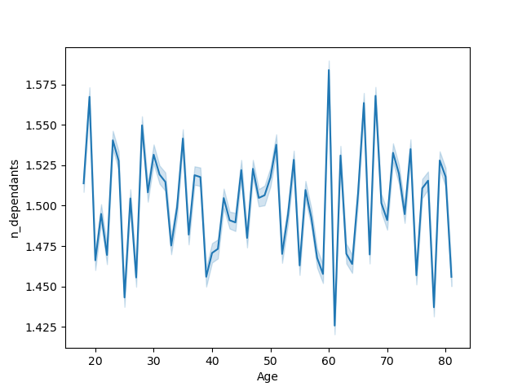
Age and number of dependants

There is no apparent relationship between age and number of dependents since the graph peaks randomly throughout.


Frequency of orders by hour of the day

The histogram shows that maximum number of orders peak between 9 am to 3pm. These are the busiest hours of the day.

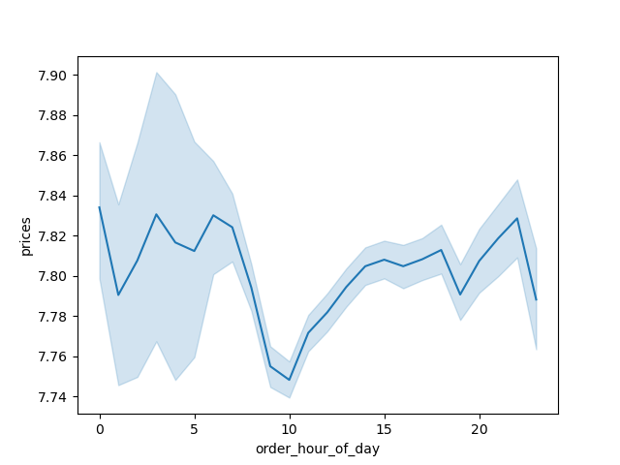
Prices of orders by hour of the day

The line chart depicts that the prices of the orders peak in the early morning hours and then drop around 10 am.

Bar chart based on frequency of customers/loyalty_flag
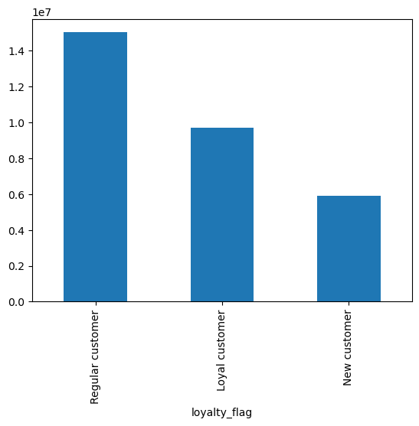

The bar chart shows clearly that the maximum orders are placed by the 'Regular customers'

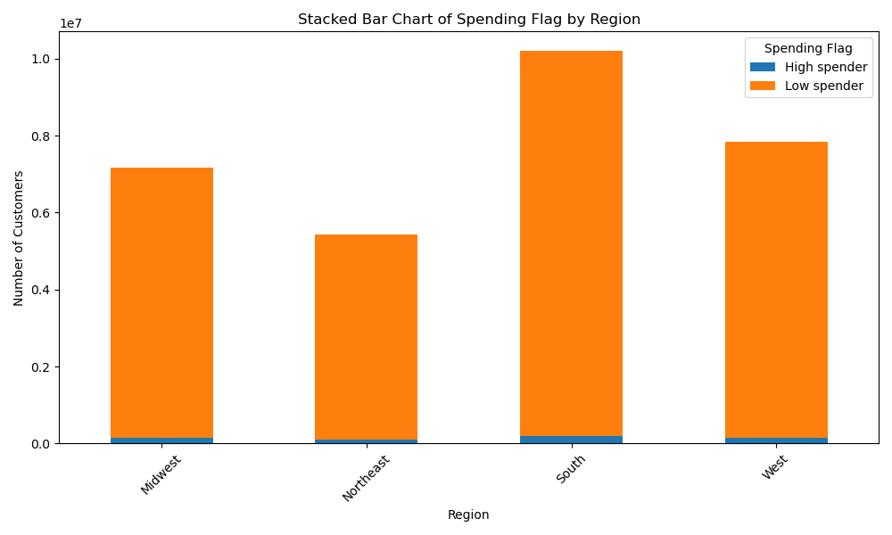

The stacked bar chart depicts that the highest number of low spenders are from the South region.

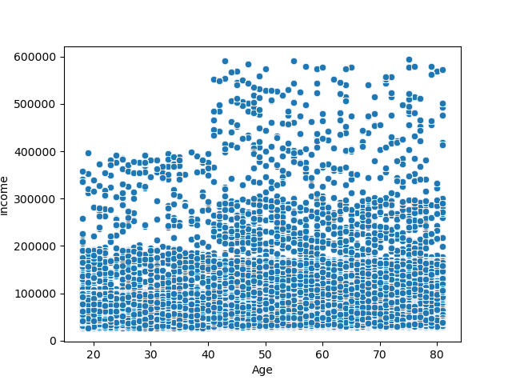
Scatterplot to see association between age and income

The scatterplot shows that maximum customers have income below 40,000. Customers between the age of 40 and 60 have the highest income.

Crosstab between no of dependants and customer profile
Crosstab between customer profile, family status and spending flag

n_dependants | 0 | 1 | 2 | 3 |  |  |  |  | spending_flag | High spender |  |  |  | Low spender
customer_profile |  |  |  |  |  |  |  |  | fam_status | divorced/widowed | living with parents and siblings | married | single | divorced/widowed | living with parents and siblings | married | single
Busy Professional | 448159 | 468807 | 0 | 0 |  |  |  |  | customer_profile
Family Shopper | 0 | 0 | 639725 | 662490 |  |  |  |  | Busy Professional | 0 | 0 | 3997 | 2853 | 0 | 0 | 464810 | 445306
Other | 5245402 | 4955006 | 4787228 | 4797775 |  |  |  |  | Family Shopper | 0 | 0 | 28041 | 0 | 0 | 0 | 1274174 | 0
Senior | 61404 | 58945 | 62223 | 60797 |  |  |  |  | Other | 38935 | 21681 | 284067 | 69970 | 1884222 | 1089964 | 13144297 | 3252275
Young Parent | 0 | 268987 | 279069 | 268278 |  |  |  |  | Senior | 16 | 0 | 247 | 0 | 61388 | 0 | 181718 | 0
Young Single | 11805 | 0 | 0 | 0 |  |  |  |  | Young Parent | 0 | 0 | 2678 | 0 | 0 | 0 | 813656 | 0
 |  |  |  |  |  |  |  |  | Young Single | 0 | 0 | 0 | 8 | 0 | 0 | 0 | 11797

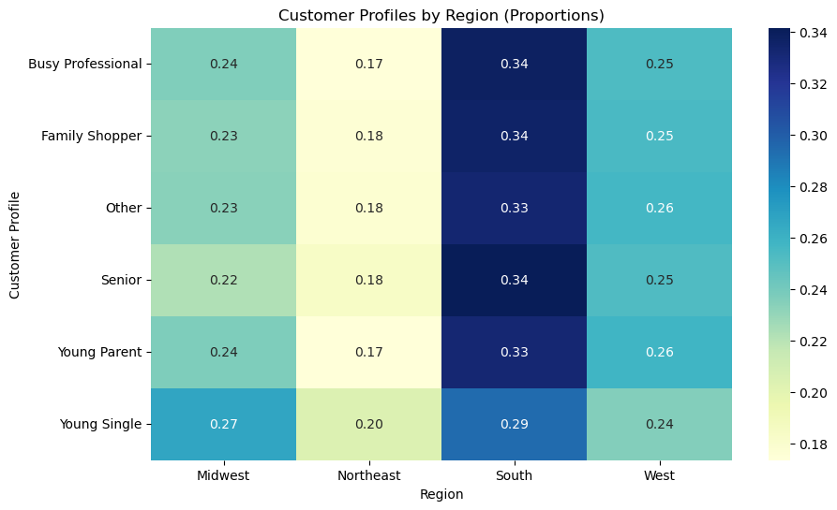

Cross tab between regions and customer profile

The heatmap on the right depicts the proportion seen in the crosstab between Region and customer_profile. Maximum proportion of customers come from the South region including 34% seniors and family shoppers. Northeast region has the smallest proportion of all categories of customers.
Region Midwest Northeast South West
customer_profile
Busy Professional 0.235942 0.173408 0.337589 0.253061
Family Shopper 0.232923 0.176603 0.335864 0.254610
Other 0.233758 0.177483 0.332456 0.256303
Senior 0.222247 0.183770 0.341403 0.252579
Young Parent 0.236645 0.173776 0.332107 0.257473
Young Single 0.267006 0.204066 0.293604 0.235324

department_id 1 2 3 4 5 6 \
customer_profile |  |  |  |  |  |  |  |  | Unnamed: 0 | department
Busy Professional 0.066154 0.001061 0.037254 0.303420 0.004970 0.008968 |  |  |  |  |  |  |  | 0 | 1 | frozen
The highlighted cells show the expected values in the customer profile. For instance around 70% frozen food is shopped by young single. Whereas seniors shop maximum from household department.
Family Shopper 0.069749 0.001025 0.036477 0.314919 0.002943 0.008916 |  |  |  |  |  |  |  | 1 | 2 | other
Other 0.066938 0.001116 0.036215 0.295174 0.004590 0.008065 |  |  |  |  |  |  |  | 2 | 3 | bakery
Senior 0.056190 0.000978 0.032038 0.270182 0.003094 0.006192 |  |  |  |  |  |  |  | 3 | 4 | produce
Young Parent 0.059101 0.000980 0.035245 0.291179 0.003786 0.007552 |  |  |  |  |  |  |  | 4 | 5 | alcohol
Young Single 0.070648 0.001440 0.035663 0.256501 0.001525 0.010419 |  |  |  |  |  |  |  | 5 | 6 | international
 |  |  |  |  |  |  |  | 6 | 7 | beverages
department_id 7 8 9 10 ... 12 \ |  |  |  |  |  |  |  | 7 | 8 | pets
customer_profile ... |  |  |  |  |  |  |  | 8 | 9 | dry goods pasta
Busy Professional 0.081076 0.002689 0.027037 0.001112 ... 0.022833 |  |  |  |  |  |  |  | 9 | 10 | bulk
Family Shopper 0.069804 0.003156 0.029041 0.001001 ... 0.025284 |  |  |  |  |  |  |  | 10 | 11 | personal care
Other 0.083743 0.002980 0.025959 0.001127 ... 0.021420 |  |  |  |  |  |  |  | 11 | 12 | meat seafood
Senior 0.108588 0.002252 0.018190 0.001516 ... 0.012072 |  |  |  |  |  |  |  | 12 | 13 | pantry
Young Parent 0.091595 0.002473 0.022939 0.001224 ... 0.018904 |  |  |  |  |  |  |  | 13 | 14 | breakfast
Young Single 0.100381 0.003304 0.022025 0.000932 ... 0.010843 |  |  |  |  |  |  |  | 14 | 15 | canned goods
 |  |  |  |  |  |  |  | 15 | 16 | dairy eggs
department_id 13 14 15 16 17 18 \ |  |  |  |  |  |  |  | 16 | 17 | household
customer_profile |  |  |  |  |  |  |  | 17 | 18 | babies
Busy Professional 0.056902 0.019842 0.033965 0.171101 0.021122 0.013583 |  |  |  |  |  |  |  | 18 | 19 | snacks
Family Shopper 0.057996 0.019437 0.036886 0.166662 0.020397 0.014677 |  |  |  |  |  |  |  | 19 | 20 | deli
Other 0.056801 0.021476 0.032102 0.168808 0.022135 0.013743 |  |  |  |  |  |  |  | 20 | 21 | missing
Senior 0.047344 0.027649 0.022332 0.161557 0.024621 0.010909
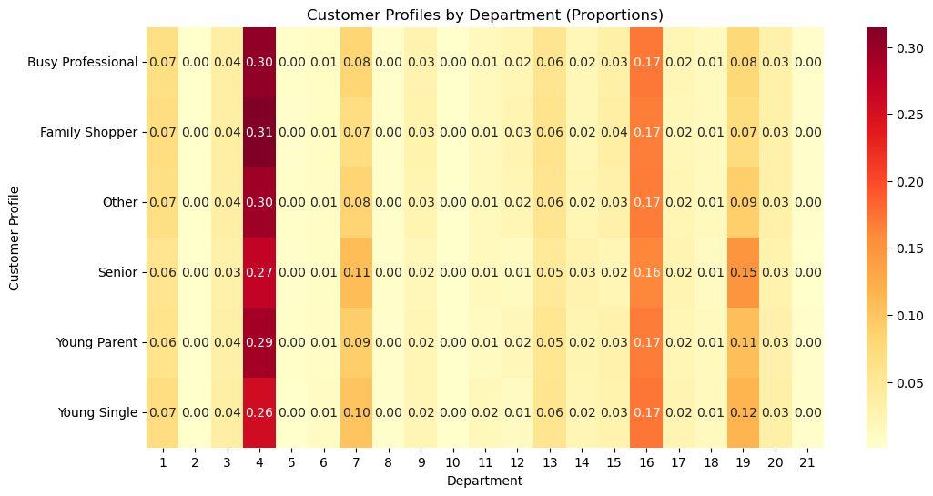
Young Parent 0.054108 0.023806 0.030196 0.168561 0.022476 0.013269
Young Single 0.055231 0.022702 0.027954 0.171792 0.024989 0.013892

department_id 19 20 21
customer_profile
Busy Professional 0.078423 0.032589 0.002382
Family Shopper 0.072918 0.032717 0.002440
Other 0.089768 0.032064 0.002364
Senior 0.149789 0.029046 0.002030
Young Parent 0.106177 0.031461 0.002234
Young Single 0.116137 0.034562 0.002372

[6 rows x 21 columns]

The mean of no_of_orders is almost same among all groups except slightly higher among seniors and young parent. The highest mean of prices is among family shopper category.
 |  | no_of_orders |  |  | prices
 |  | max | mean | min | max | mean | min
 | customer_profile
 | Busy Professional | 99 | 22.203458 | 5 | 25.0 | 7.958337 | 1.0
 | Family Shopper | 99 | 21.063382 | 5 | 25.0 | 7.973963 | 1.0
 | Other | 99 | 21.933315 | 5 | 25.0 | 7.790240 | 1.0
 | Senior | 99 | 22.457067 | 5 | 25.0 | 6.972452 | 1.0
 | Young Parent | 99 | 22.706635 | 5 | 25.0 | 7.608660 | 1.0
 | Young Single | 99 | 19.370860 | 5 | 25.0 | 7.058611 | 1.0

7. Recommendations
 |  |  | Title page

Recommendations

In this tab you should include any recommendations you would made to Instcart in terms of their marketing strategy based on the questions posed in the brief. Every key question has been covered in the Tasks of the Exercises - here you need to add an item - a visualisation or table/crosstable that is showing the answer in the data, acompanied by a comment from you. Please, list the questions below and add the answer underneath.



Q1. | The sales team needs to know what the busiest days of the week and hours of the day are (i.e., the days and times with the most orders) in order to schedule ads at times when there are fewer orders | The busiest days of the week are the weekends and the busiest hours are between 19-15. The team should strategize to display ads during quiet hours.

Q2. | They also want to know whether there are particular times of the day when people spend the most money, as this might inform the type of products they advertise at these times. | Customers spent most money during early morning hours and late evening.

Q3. | Instacart has a lot of products with different price tags. Marketing and sales want to use simpler price range groupings to help direct their efforts. | The products have been grouped into high.range, mid-range amd low range products. The same can be used by the marketing strategy for effective marketing.

Q4. | Are there certain types of products that are more popular than others? The marketing and sales teams want to know which departments have the highest frequency of product orders | Produce and eggs/dairy have the highest frequency of products.

Q5. | What’s the distribution among users in regards to their brand loyalty (i.e., how often do they return to Instacart)? | The frequency of loyalty_flag shows that the maximum number of customers are 'Regular customers'.

Q6. | Are there differences in ordering habits based on a customer’s loyalty status? | On average, new customers spend more than the regular or new customers.

Q7. | Are there differences in ordering habits based on a customer’s region? | The south region has the maximum number of low spending customers, but also the highest high spenders.

Q8. | Is there a connection between age and family status in terms of ordering habits? | The ordering habits of all age groups and family status are more or less similar.

Q9. | What different classifications does the demographic information suggest? Age? Income? Certain types of goods? Family status? | As per this analysis, age and no of dependents are more reliable ways to categorise demographics. The basic income level is also same for all age groups except the highest income bracket falls between ages 40-60.

Q10. | What differences can you find in ordering habits of different customer profiles? Consider the price of orders, the frequency of orders, the products customers are ordering, and anything else you can think of. | There is not much differnce in ordering habits of different customer profiles as per this analysis. There are however, few points to note. Adults around age 40 tend to order more frequently. Young single order more frozen foods as expected. They also perform the least bulk orders.

